Sheet1
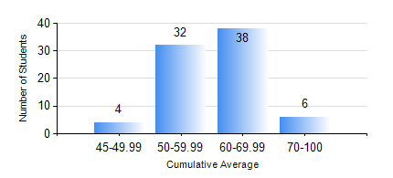
 |  |  | KWAME NKRUMAH UNIVERSITY OF SCIENCE AND TECHNOLOGY, KUMASI Department of Materials Engineering

 |  |  | BSC. METALLURGICAL ENG.

 |  |  | COMPREHENSIVE RECORD OF EXAMINATION RESULTS

 |  |  | RESULTS OF YEAR 4 FIRST SEMESTER, 2020/2021 ACADEMIC YEAR

 | Sn | Course Code |  | Course Name | Credit Hours | Min. Mark | Max. Mark | Avg. Mark | Std. Dev. | No. Passed | No. Trailed | No. (Df) | No. (I) | No. (I*) | No. Tagged(I,I*,Df) | Total
 | 0. |  |  |  |  |  |  | 0 | 0 | 0 | 0 | 0 | 0 | 0 | 0 | 1
 | 1. | ME 491 |  | ENGINEERING ECONOMICS AND MANAGEMENT | 3 | 36 | 80 | 61 | 9.66 | 78 | 1 | 0 | 0 | 0 | 0 | 79
 | 2. | METE 451 |  | METALLURGICAL PLANT DESIGN/OPERATIONS | 3 | 47 | 74 | 62 | 6.9 | 79 | 0 | 0 | 0 | 0 | 0 | 79
 | 3. | METE 453 |  | HYDROMETALLURGY OF LIGHT METALS | 2 | 29 | 87 | 62 | 12.02 | 78 | 1 | 0 | 0 | 0 | 0 | 79
 | 4. | METE 455 |  | VACATION TRAINING | 2 | 55 | 85 | 69 | 7.28 | 79 | 0 | 0 | 0 | 0 | 0 | 79
 | 5. | METE 457 |  | CORROSION AND CORROSION CONTROL | 3 | 21 | 86 | 50 | 13.11 | 73 | 6 | 0 | 0 | 0 | 0 | 79
 | 6. | METE 497 |  | PROJECT I | 3 | 54 | 83 | 71 | 7.32 | 79 | 0 | 0 | 0 | 0 | 0 | 79
 | 7. | MSE 457 |  | METALWORKING PROCESSES | 3 | 40 | 91 | 66 | 12.94 | 79 | 0 | 0 | 0 | 0 | 0 | 79

